TEDB Edition 40
The figure below shows the distribution of annual travel the two types of Class 7 and 8 vehicles-combination units (separate tractor and trailer) and single units (tractor and trailer on a single chassis). This information is for all trucks and trucks two years old or less. Combination trucks, dominated by box-type trailers, display the greatest amount of annual travel of all heavy vehicle types, as is evidenced both by the range of annual use. Most of the single-unit trucks in the survey travel 40,000 miles per year or less.

 | Figure 5.2. Distribution of Trucks over 26,000 lbs. by Vehicle-Miles Traveled
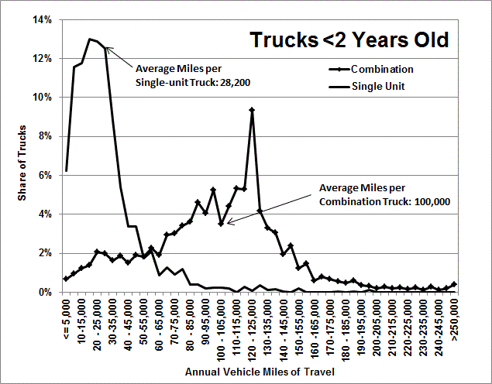

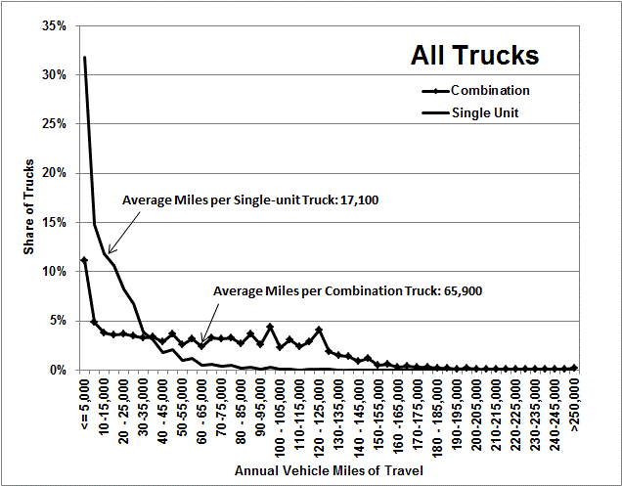

 | Annual | Share of All Trucks |  | Share of Trucks < 2
 | Vehicle | Combination | Single-Unit | Combination | Single-Unit
 | Miles of Travel | Trucks | Trucks | Trucks | Trucks
 | 0-5,000 | 11.2% | 31.8% | 0.7% | 6.2%
 | 5-10,000 | 4.9% | 14.8% | 1.0% | 11.5%
 | 10-15,000 | 3.7% | 11.8% | 1.2% | 11.8%
 | 15-20,000 | 3.5% | 10.6% | 1.4% | 13.0%
 | 20-25,000 | 3.7% | 8.3% | 2.1% | 12.9%
 | 25-30,000 | 3.5% | 6.7% | 2.0% | 12.5%
 | 30-35,000 | 3.2% | 3.8% | 1.6% | 8.8%
 | 35-40,000 | 3.3% | 3.0% | 1.9% | 5.4%
 | 40-45,000 | 2.9% | 1.7% | 1.5% | 3.4%
 | 45-50,000 | 3.7% | 2.1% | 1.9% | 3.4%
 | 50-55,000 | 2.6% | 1.0% | 1.8% | 1.7%
 | 55-60,000 | 3.1% | 1.2% | 2.2% | 2.1%
 | 60-65,000 | 2.4% | 0.5% | 1.9% | 0.9%
 | 65-70,000 | 3.3% | 0.6% | 2.9% | 1.3%
 | 70-75,000 | 3.1% | 0.3% | 3.0% | 0.9%
 | 75-80,000 | 3.3% | 0.4% | 3.4% | 1.2%
 | 80-85,000 | 2.7% | 0.2% | 3.6% | 0.4%
 | 85-90,000 | 3.6% | 0.2% | 4.6% | 0.4%
 | 90-95,000 | 2.6% | 0.1% | 4.0% | 0.2%
 | 95-100,000 | 4.3% | 0.3% | 5.2% | 0.2%
 | 100-105,000 | 2.3% | 0.1% | 3.5% | 0.3%
 | 105-110,000 | 3.0% | 0.1% | 4.4% | 0.2%
 | 110-115,000 | 2.4% | 0.0% | 5.3% | 0.0%
 | 115-120,000 | 2.9% | 0.1% | 5.3% | 0.3%
 | 120-125,000 | 4.0% | 0.0% | 9.3% | 0.1%
 | 125-130,000 | 1.8% | 0.1% | 4.2% | 0.4%
 | 130-135,000 | 1.5% | 0.0% | 3.3% | 0.1%
 | 135-140,000 | 1.3% | 0.0% | 3.0% | 0.2%
 | 140-145,000 | 0.8% | 0.0% | 1.9% | 0.0%
 | 145-150,000 | 1.2% | 0.0% | 2.4% | 0.0%
 | 150-155,000 | 0.5% | 0.0% | 1.2% | 0.2%
 | 155-160,000 | 0.6% | 0.0% | 1.5% | 0.0%
 | 160-165,000 | 0.3% | 0.0% | 0.6% | 0.0%
 | 165-170,000 | 0.4% | 0.0% | 0.8% | 0.0%
 | 170-175,000 | 0.3% | 0.0% | 0.7% | 0.0%
 | 175-180,000 | 0.3% | 0.0% | 0.5% | 0.0%
 | 180-185,000 | 0.2% | 0.0% | 0.5% | 0.0%
 | 185-190,000 | 0.2% | 0.0% | 0.6% | 0.0%
 | 190-195,000 | 0.1% | 0.0% | 0.3% | 0.0%
 | 195-200,000 | 0.2% | 0.0% | 0.3% | 0.1%
 | 200-205,000 | 0.1% | 0.0% | 0.2% | 0.0%
 | 205-210,000 | 0.1% | 0.0% | 0.3% | 0.0%
 | 210-215,000 | 0.1% | 0.0% | 0.2% | 0.0%
 | 215-220,000 | 0.1% | 0.0% | 0.2% | 0.0%
 | 220-225,000 | 0.0% | 0.0% | 0.1% | 0.0%
 | 225-230,000 | 0.1% | 0.0% | 0.2% | 0.0%
 | 230-235,000 | 0.0% | 0.0% | 0.1% | 0.0%
 | 235-240,000 | 0.1% | 0.0% | 0.3% | 0.0%
 | 240-245,000 | 0.0% | 0.0% | 0.1% | 0.0%
 | 245-250,000 | 0.1% | 0.0% | 0.2% | 0.0%
 | 250,000 & up | 0.2% | 0.0% | 0.4% | 0.0%

 | Note: Heavy trucks (class 7 & 8) are greater than 26,000 pounds gross
 | vehicle weight based on the manufacturer’s rating.

 | Source:
 | U.S. Department of Commerce, Bureau of the Census, 2002 Vehicle
 | Inventory and Use Survey, Microdata File on CD, 2005.
 | (Additional resources: www.census.gov/svsd/www/tiusview.html)

